INFO Page
 | EPICUR Course/Offer Proposals To be included in the EPICUR Autumn/Winter Term (EPITermI) Programme please submit to the email address epicur-secretariat@auth.gr

 | What is EPICUR? | Important Info for navigating the Proposals Sheet!!!
 | EPICUR (European Partnership for an Innovative Campus Unifying Regions) belongs to the first generation of European university alliances launched by the European Commission under the Erasmus+ programme. The objective of the EPICUR alliance is to create a unique environment of interdisciplinary education and research and to prepare tomorrow's European citizens to face societal challenges and become drivers of European innovation. The alliance is composed of the 9 higher education institutions across Europe (see picture on the right-hand side) and is led by the University of Strasbourg. | Save the file immediately upon downloading! You have to enable Macros for this file in order to allow multi-select in the various dropdown menus. To do so, right click on the file in explorer and go to properties. There, select "unblock". If you want to change information inserted into a predefined cell, please select the cell and hit "Delete" ("Backspace" does not work). Please fill in all the required information. If any fields cannot be answered yet, please send an updated list as soon as possible. To get more information on what is expected in a given cell, click on the according cell, hover over it, and more details will be displayed. If something is not captured in the form or if you have additional requests for any proposal, please add those at the bottom of the appropriate column. Main course info goes in the "course_proposal_mandatory" sheet (next tab 1 offer/course per column!) - other info on the "secondaryinfo" tab can be entered by the individual proposing the course or by the EPICUR Institutional Coordinator!

 | What are we looking for?
 | We invite instructors at the EPICUR partner institutions to propose courses (and non-credit offers) that fit one of the EPICUR priority areas: Sustainable Transformation, European Values, Global Health, Future Intelligence, Entrepreneurship and Engagement, or Transversal Skills (e.g., academic skills, interculturality, critical thinking, Equity, Diversity and Inclusion). We are interested in offers that are accessible to students from across the alliance without the requirement to go abroad for a whole semester. For more specific guidelines, please see below.
 |  | In case of any questions please contact us by email at
 |  | epicur@ucf.uni-freiburg.de
 | What is in it for you? | Check out the EPICUR Centre for International Teaching and Learning.
 | By offering your learning activity in the framework of EPICUR, you will get the chance to - promote distinctive aspects in your course offer, - offer elective courses in your specialist area and engage with motivated students on the topic, - engage with internationalisation at your university, - gain teaching experience (especially if you are an early career university teacher), - increase the diversity in your classroom, - create an intercultural learning space, - become part of an international community of academics, - get access to EPICUR’s teacher support. | And with this link you will be directed to our list with FAQs and the contact information of all Institutional Coordinators.

 | Students register for courses and offers designed like these:
 | Virtual deliveries – fully online deliveries, especially offer proposals that transcend traditional synchronous delivery and incorporate asynchronous work (e.g., self-study and virtual teamwork). Hybrid deliveries – synchronous teaching of online and on-site groups. Blended deliveries – combining virtual and physical class learning. Block courses & summer/winter schools – taught on a compressed schedule that differs from a traditional semester schedule. Excursions – experiential offers where students are assessed based on on-site, collaborative work. Flexible offers –...that accommodate various semester schedules by, for example, combining asynchronous learning activities with intensive synchronous sessions Short, intensive courses – courses that can be delivered within a short time window (to facilitate wider participation) and which may award fewer ECTS credits (e.g., under 5) | 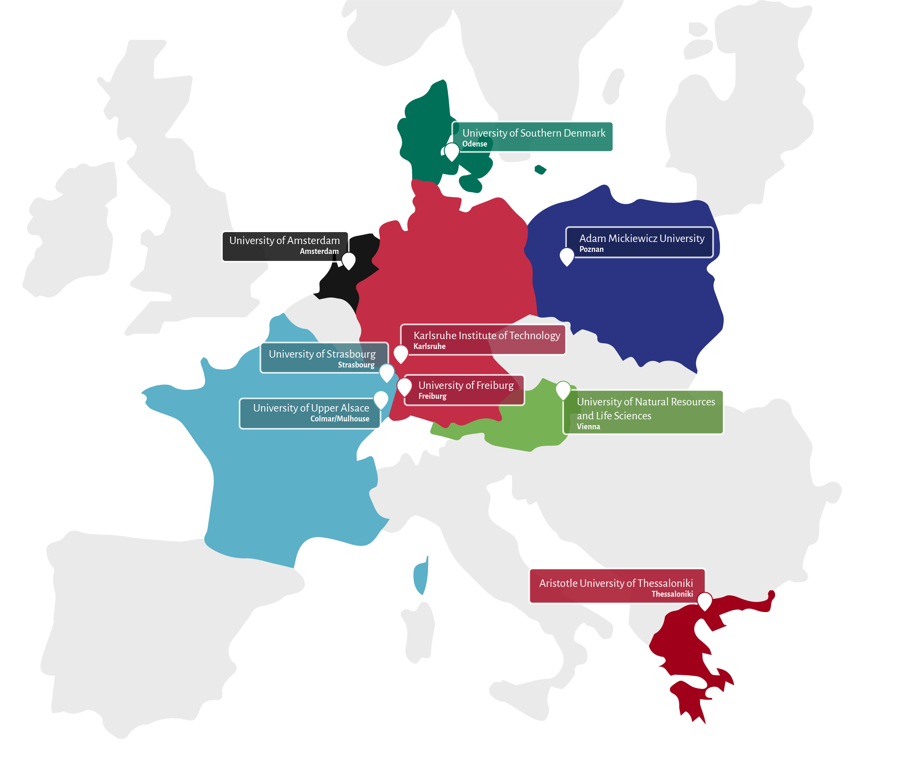

 | Guidelines for EPICUR courses
 | Duration & delivery Modes. To facilitate broad EPIUCR participation with the requirement of study abroad for a whole semester, EPICUR is looking for offers that meet the following parameters.
 | If offer is 3 weeks or less (e.g., blocks, excursions, or other small offers) can be…
 | >Online
 | >Blended
 | > Hybrid
 | >In-person (ideally timed to facilitate alliance-wide enrollment!)
 | If offer is 3 weeks or longer, in-person deliveries will generally not be possible. However, EPICUR can assist you in adapting traditional courses! Email us: epicur@ucf.uni-freiburg.de

 | Please provide…
 | ...all required information on the Course Proposals sheet in this file. Some information can be provided later (noted in form). If you will not know the schedule of your course before the publication of the course catalogue, please still propose your course with your best guess of the start and end dates. We can update our systems with final dates as soon as they are known.

 | Description of EPICUR's Priority Areas and Subthemes/Areas
 | We would love to offer EPICUR students a wide range of courses on different topics within the EPICUR priority areas and, when applicable, strategic subthemes. If you are unsure if your course content fits, please consult with your Institutional Coordinator, get in touch with us, or join the EPICUR Centre for International Teaching and Learning (link above). If you are looking for co-teachers, please don't hesitate to email us at epicur@ucf.uni-freiburg.de and/or get in touch with your Institutional Coordinator.
 | To give you a better idea of the topics that can fall under the EPICUR priority areas, you can refer to the information below
 | Offers must map to one or more of the 5 areas below, but need not map to any current subtheme/area! | Subthemes/Area | Related Fields | Subthemes/Area | Related Fields
Sustainable Transformation | Related Disciplines & Topics: Environmental Science, Sustainability Studies, Ecology, Environmental Policy, Urban Planning, Renewable Energy, Sustainable Agriculture, Economics, Social Sciences, Engineering & Technology, Circular Economy, Climate Change Mitigation, Sustainable Tourism, Resilience & Disaster Reduction, Water Resource Management, Corporate Social Responsibility (and others) Subthemes/Areas: Future Forests & Sustainable Cities (pilot initiative) --> | Future Forests & Sustainable Cities (Pilot): Leverage the expertise of EPICUR alliance universities to explore two critical domains: future forest management and sustainable urban development. Learners investigate emerging techniques for forest conservation and restoration, alongside principles of urban planning and design for creating resilient, inclusive cities. Learners participate in EPICUR offers where they co-develop innovative solutions that reconcile environmental conservation with societal well-being beyond their local/national contexts. | • Forestry • Urban Planning • Landscape Architecture • Ecology • Sustainable Development • Environmental Policy • Other related fields
European Values | Related Disciplines & Topics: Political Science, European Studies, Law, Philosophy, History, Sociology, Cultural Studies, Economics, Ethics, Rule of Law, Human Rights & Dignity, Gender Equality & Women's Rights, Freedom of Expression, Governance, Historical Memory & Reconciliation (and others) Subthemes/Areas: Language and Culture (Nordic, Slavonic, Modern Greek - content-based language courses and culture/history courses); Solidarity, Equity & Social Cohesion (pilot initiative)--> | Solidarity, Equity & Social Cohesion (pilot) Explore the fundamental values that define Europe’s cultural and societal fabric. Through interdisciplinary studies, research, and discourse, learners delve into the historical foundations and philosophical underpinnings of solidarity, equity, and social cohesion as core tenets of European identity(ies). Offers provide opportunities to analyze the complex interplay between values and contemporary issues such as migration, economic inequality, social justice, and political polarization. | • Sociology • Political Science • History • Ethics • Social Policy • Public Health • Other related fields | Language & Culture Study in Nordic, Slavonic, Modern Greek: Foster intercultural understanding and linguistic proficiency in Nordic, Slavic, and Modern Greek languages while exploring the rich cultural heritage and history of the respective regions. Alongside language study, EPICUR’s Language & Culture offer delves into the diverse cultural landscapes of these regions, examining literature, arts, folklore, and contemporary societal dynamics. | • Slavic • Nordic • Modern Greek
Global Health | Related Disciplines & Topics: Disease Prevention and Control, Access to Healthcare Services, Health Equity and Social Determinants of Health, Pandemic Preparedness and Response, Maternal Health & Childcare, Health systems, Health Security and Emergency, Health Diplomacy (and others) Subthemes/Areas: Digital Health (pilot) --> | Digital Health (pilot) Learn about the development, implementation, and utilization of innovative healthcare technologies that aim to improve healthcare delivery, increase efficiency, and enhance health outcomes worldwide. | • Digital Health Policy • Health Informatics • Mobile Health • Health Tech Innovation & Entrepreneurship • Health Data & AI • Intelligent Wearables • Other related fields
Future Intelligence | Related Disciplines & Topics: Artificial Intelligence and Machine Learning, Data Science and Analytics, Internet of Things (IoT) and Smart Technologies, Robotics and Automation, Quantum Computing and Advanced Technologies (and others) Subthemes/Areas: None at this time
Transversal Skills | Offers organize in the following areas (related disciplines & topics shown): Entrepreneurship and Engagement: Service Learning, Startup Incubation and Acceleration, Social Entrepreneurship and Impact Investing, Societal engangement, Leadership and Management. Key Academic Competences: Academic skills, interculturality, Critical Thinking and Problem-Solving, Equity, Diversity and Inclusion, Digital Literacy and Information Management. Language Training for Mobility: Danish, Dutch, French, German, Modern Greek, Polish, Other language training options

